JUnit
Site officielle
http://junit.org/
 | En francais - a faire - des nombreuses exemples
Comment tester avec JUnit le MVC | Tests unitaires automatisés avec JUnit4
http://www.developpez.net/forums/d1236720/java/general-java/spring/spring-web/tester-junit-mvc/ | http://rpouiller.developpez.com/tutoriels/java/tests-unitaires-junit4/
For Junit coverage you can install it | - voir exemples pour les nouveautes de la version 4. - Matchers
http://update.eclemma.org/
 | Tutoriel sur Catch-Exception
JUnit | http://arolla.developpez.com/tutoriels/java/catch-exception/
http://junit.sourceforge.net/doc/cookbook/cookbook.htm
http://junit.sourceforge.net/doc/faq/faq.htm#overview_4 | JUNIT sur une application Web réalisée avec Spring (2005)
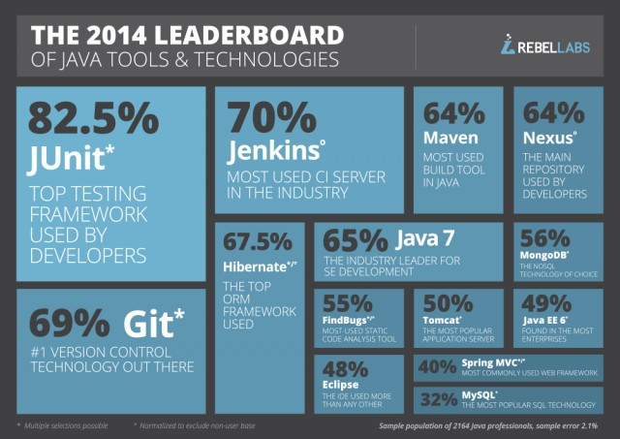
Java multi-threaded unit testing | http://beuve.developpez.com/tutoriels/java/junit-crud-avec-spring-jsf-hibernate/
http://garygregory.wordpress.com/2011/09/09/multi-threaded-unit-testing/

 | http://dboissier.developpez.com/tutoriels/test-driven-development/?page=authentification
Step by step jUnit
 | Tests unitaires automatisés avec JUnit4 - a faire !!!
Unit Testing with JUnit - Tutorial - Level 1 | http://rpouiller.developpez.com/tutoriels/java/tests-unitaires-junit4/
http://www.vogella.com/tutorials/JUnit/article.html
 | Tutoriel sur dix raisons pour échouer ses tests unitaires en toutes circonstances
JUnit Tutorial for Unit Testing - Level 2 | http://soat.developpez.com/tutoriels/java/astuces-pour-rater-tests/
http://www.javacodegeeks.com/2014/11/junit-tutorial-unit-testing.html
- annotations, assertions | Du bon usage de JUnit
 | http://blog.soat.fr/2014/02/du-bon-usage-de-junit-22/

 | Books
JUnit 4 Tutorial 6 – Parameterized Test | Effective Unit Testing: A guide for Java developers
http://www.mkyong.com/unittest/junit-4-tutorial-6-parameterized-test/ | Mastering Unit Testing Using Mockito and JUnit
 | Practical Unit Testing with JUnit and Mockito
 | JUnit in Action : how to write HTML Unit and Selenium

Advanced Unit test with JUnit and Mockito
 | Book online
 | http://www.scribd.com/doc/233461510/9781783982509-Mastering-Unit-Testing-Using-Mockito-and-JUnit-Sample-Chapter

Exemple complet | Examples
http://dboissier.developpez.com/tutoriels/test-driven-development/?page=authentification | http://docs.spring.io/docs/Spring-MVC-step-by-step/part6.html
Tester les DAO, Service, couche Web
http://dboissier.developpez.com/tutoriels/test-driven-development/?page=gestion_notes#LV-D
 | Unit testing of web view layer
 | http://docs.seleniumhq.org/
JUnit – A Complete Java Unit Testing Example With Advance Features, Source Code and Diagram | http://docs.seleniumhq.org/projects/ide/
http://sanjaal.com/java/tag/advanced-junit-tutorial/ | http://www.codeproject.com/Articles/763928/MVC-Unit-Testing-Unleashed

 | JUnit Interview Questions
 | http://www.tutorialspoint.com/junit/junit_interview_questions.htm

